2011F
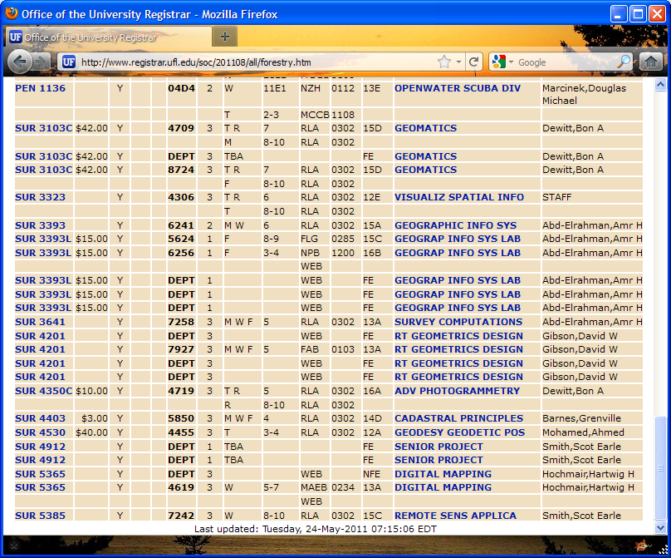
University of Florida @ Davie Campus

Geomatics Program - Fall 2011 Schedule
Courses offered at Fort Lauderdale Research and Education Center (FLREC)

Course # | C | Sec # | Course Title | Instructor | Days | Time (Period)
SUR3103C | 3 | 6543 | Geomatics | Dewitt | Tue, Thu (Polycom) | 1:55-2:45p (7)
 |  |  |  |  | Lab: every other Sat | 9:00a-3:00p
SUR3323 | 3 | 4321 | Visualization of Spatial Information | Staff | Tue, Thu (Polycom) | 12:50-1:40p (6)
SUR3393 | 2 | 6607 | Geographic Information Systems | Abd-Elrahman | Mon, Wed (Polycom) | 12:50-1:40p (6)
SUR3393L | 1 | 6260 | Geographic Information Systems Lab | Abd-Elrahman | Fri (Web) | 9:35-11:30a (3-4)
SUR3641 | 3 | 9005 | Survey Computations | Abd-Elrahman | Mon, Wed, Fri (Polycom) | 11:45a-12:35p (5)
SUR4201 | 3 | 9006 | Route Geometrics & Design | Gibson | Web
SUR4350C | 3 | 6781 | Advanced Photogrammetry | Dewitt | Tue, Thu (Polycom) | Tue, Thu: 11:45a-12:35p (5)
 |  |  |  |  | Lab: Thu (Polycom) | Thu: 3:00-600p (8-10)
SUR4403 | 3 | 6789 | Cadastral Principles | Barnes | Mon, Wed, Fri (Polycom) | 10:40-11:30a (4)
SUR4530 | 3 | 6824 | Geodesy & Geodetic Positioning | Mohamed | Tue, Thu (Polycom) | Tue: 9:35-11:30a (3-4)
 |  |  |  |  |  | Thu: 9:35-10:25a (3)
SUR5365 | 3 | 2325 | Digital Mapping | Hochmair | Wed (Web) | 11:45a-2:45p (5-7)
SUR5385 | 3 | 8779 | Remote Sensing Applications | S. Smith | Wed (Polycom) | 3:00-600p (8-10)

For more information, go to http://mygeomatics.com or contact:
Joanne Korvick, duckweed@ufl.edu
954-577-6371

2012Sp
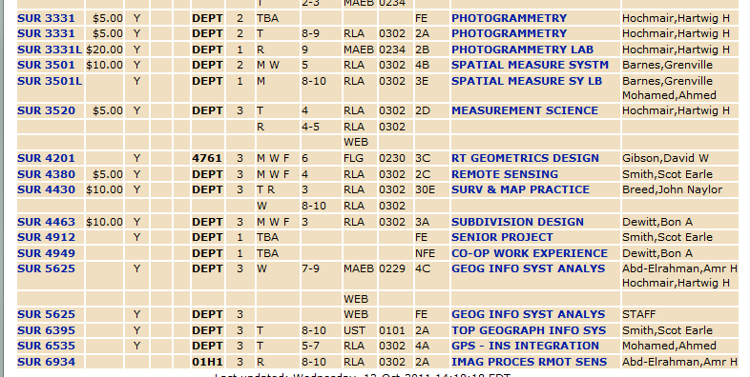
University of Florida @ Davie Campus

Geomatics Program - Spring 2012 Schedule
Courses offered at Fort Lauderdale Research and Education Center (FLREC)

Course # | C | Sec # | Course Title | Instructor | Days | Time (Period)
SUR3331 | 2 | 1985 | Photogrammtery | Hochmair | Tue (Polycom) | 3:00-4:55p (8-9)
SUR3331L | 1 | 7509 | Photogrammtery Lab |  | Thu (Polycom) | 4:05-4:55p (9)
SUR3501 | 2 | 1986 | Spatial Measurement Systems | Barnes; Mohamed | Mon, Wed (Polycom) | 11:45a-12:35p (5)
SUR3501L | 1 | 7541 | Spatial Measurement Systems Lab |  | Lab: every other Sat | 9:00a-3:00p
SUR3520 | 3 | 1956 | Measurement Science | Hochmair | Tue, Thu (Web) | Tue: 10:40-11:30a (4)
 |  |  |  |  |  | Thu: 10:40a-12:35p (4-5)
SUR4201 | 3 | 7800 | Route Geometrics & Design | Gibson | Web
SUR4380 | 3 | 1981 | Remote Sensing | Smith | Mon, Wed, Fri (Polycom) | 10:40-11:30a (4)
SUR4430 | 3 | 2002 | Surveying & Mapping Practice | Breed | Tue, Thu (Polycom) | 9:35-10:25a (3)
 |  |  |  |  | Lab: Wed (Polycom) | 3:00-6:00p (8-10)
SUR4463 | 3 | 2010 | Subdivision Design | Dewitt | Mon, Wed, Fri (Polycom) | 9:35-10:25a (3)
SUR5525 | 3 | 086A | Least Squares Adjustments | Hochmair | Tue, Thu (Web) | Tue: 10:40-11:30a (4)
 |  |  |  |  |  | Thu: 10:40a-12:35p (4-5)
SUR5625 | 3 | 1E64 | GIS Analysis | Abd-Elrahman; Hochmair | Wed (Web) | 1:55p-4:55p (7-9)
SUR6535 | 3 | 2014 | GPS-INS Integration | Mohamed | Tue (Polycom) | 11:45a-2:45p (5-7)
SUR6934 | 3 | 01H2 | Image Processing for Remote Sensing | Abd-Elrahman | Thu (Polycom) | 3:00-6:00p (8-10)

For more information, visit http://mygeomatics.com or contact either:
Adam Benjamin - Geomatics Specialist/Program Assistant |  |  |  | or | Joanne Korvick - FLREC Academic Coordinator
abenjamin1@ufl.edu |  |  | 954-577-6378 |  | duckweed@ufl.edu | 954-577-6371

 |  |  |  |  |  |  | Note FLREC section was updated to 1E64 from 7791

